Sheet1
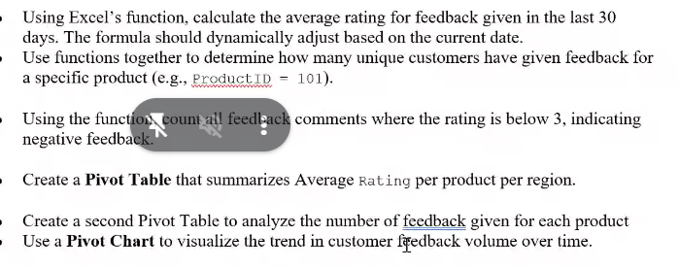
CustomerID | FeedbackDate | ProductID | Rating | Comments | Region
1001 | 2024-08-01 | 101 | 5 | Excellent product! | North
1004 | 2024-08-04 | 101 | 2 | Not satisfied with the quality. | West
1007 | 2024-08-07 | 101 | 4 | Good value for money. | East
1010 | 2024-08-10 | 101 | 2 | Not as described. | South
1013 | 2024-08-13 | 101 | 5 | Excellent service! | North
1016 | 2024-08-16 | 101 | 2 | Not worth the price. | West | 3 | Below 3 | 7
1019 | 2024-08-19 | 101 | 1 | Very poor, do not recommend. | East
1022 | 2024-08-22 | 101 | 2 | Below average quality. | South

 |  | #NAME?

pchart
Row Labels | Sum of Rating
1001 | 5
2024-08-01 | 5
1002 | 4
2024-08-02 | 4
1003 | 3
2024-08-03 | 3
1004 | 2
2024-08-04 | 2
1005 | 5
2024-08-05 | 5
1006 | 1
2024-08-06 | 1
1007 | 4
2024-08-07 | 4
1008 | 3
2024-08-08 | 3
1009 | 5
2024-08-09 | 5
1010 | 2
2024-08-10 | 2
1011 | 4
2024-08-11 | 4
1012 | 3
2024-08-12 | 3
1013 | 5
2024-08-13 | 5
1014 | 1
2024-08-14 | 1
1015 | 4
2024-08-15 | 4
1016 | 2
2024-08-16 | 2
1017 | 5
2024-08-17 | 5
1018 | 3
2024-08-18 | 3
1019 | 1
2024-08-19 | 1
1020 | 4
2024-08-20 | 4
1021 | 5
2024-08-21 | 5
1022 | 2
2024-08-22 | 2
1023 | 4
2024-08-01 | 4
Grand Total | 77

